Step2_Paste receipts
Step2: Paste soft copy of the receipts

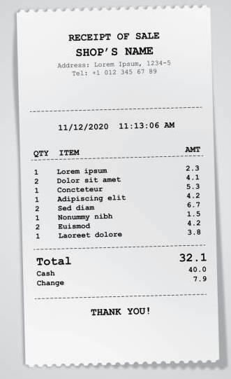
e.g

 | Item 1: Color papers for model making

